Vỏ
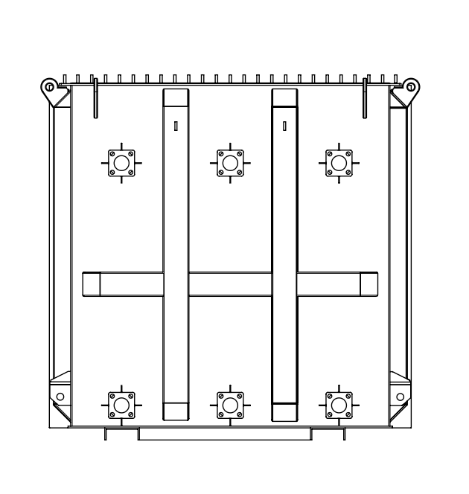
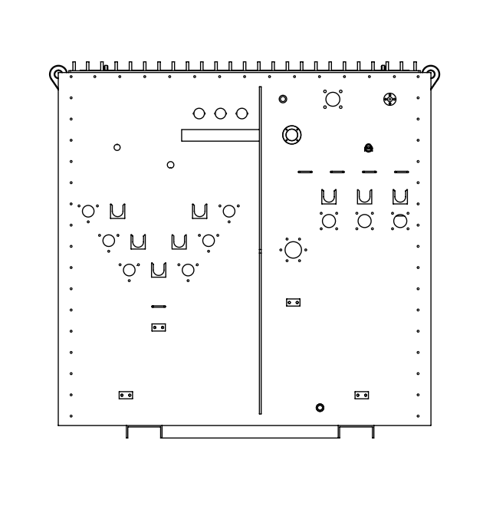
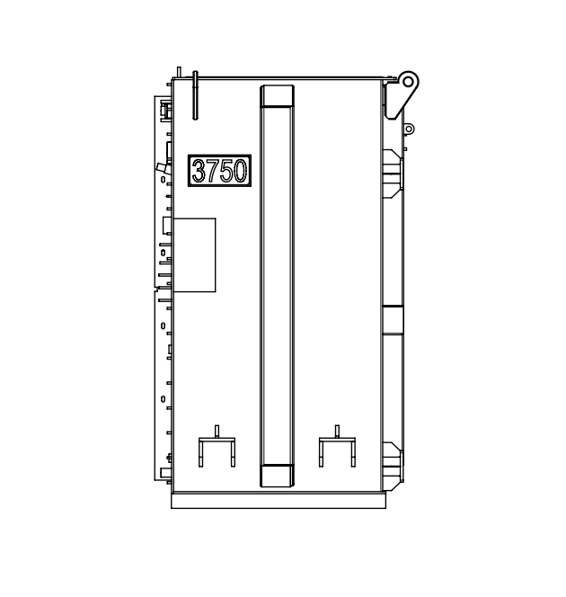

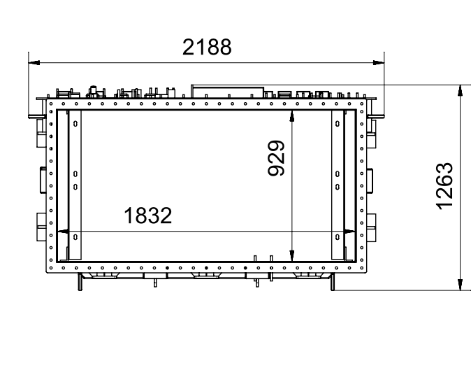
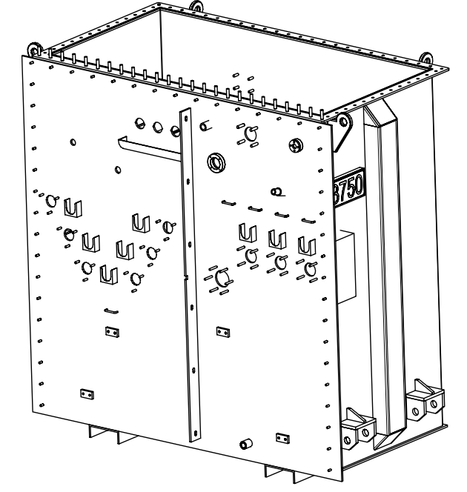

Cad: | N.H.Hoang | Product: 3750kVA PAD_MOUNTED TRANSFORMER 24.9/4.16
Check: | V.T.Binh | Tên bản vẽ/Description: | Số bản vẽ/Draw no:
Approve: | M.N.Trinh | TANK | Tỷ lệ/Scale:
 |  |  | Số lượng (Quantity):
 |  |  | Note:

TON2
Limb 1
Step | B | L1 | M1 | L2 | M2 | L3 | M3 | Thickness |  | Number of sheets |  | LIMB 2 |  |  |  |  |  |  |  |  |  | YOKE |  |  |  |  |  |  |  |  | Weight
 |  |  |  |  |  |  |  | HV | LV | Total | Type 1-2-3 | Step | B | LT | C | C1 | HV |  | LV |  |  | Step | B | LX | C2 | C3 | HV |  | LV |  | (kg)
01 | 260 | 1045 | 1.5 | 1045 | 4.5 | 1045 | 7.5 | 52.00 | 52.00 | 434.1 | 145 | 01 | 260 | 1305 | 1045 | 785 | 52.00 | x2 | 52.00 | x2 |  | 01 | 260 | 1300 | 520.0 | 260.0 | 52.00 | x2 | 52.00 | x2 | 1044
02 | 250 | 1035 | 1.5 | 1035 | 4.5 | 1035 | 7.5 | 25.00 | 25.00 | 208.7 | 70 | 02 | 250 | 1285 | 1035 | 785 | 25.00 | x2 | 25.00 | x2 |  | 02 | 250 | 1290 | 520.0 | 270.0 | 25.00 | x2 | 25.00 | x2 | 479.8
03 | 240 | 1035 | 1.5 | 1035 | 4.5 | 1035 | 7.5 | 13.50 | 13.50 | 112.7 | 38 | 03 | 240 | 1275 | 1035 | 795 | 13.50 | x2 | 13.50 | x2 |  | 03 | 240 | 1280 | 520.0 | 280.0 | 13.50 | x2 | 13.50 | x2 | 247.3
04 | 220 | 1035 | 1.5 | 1035 | 4.5 | 1035 | 7.5 | 18.50 | 18.50 | 154.4 | 51 | 04 | 220 | 1255 | 1035 | 815 | 18.50 | x2 | 18.50 | x2 |  | 04 | 220 | 1260 | 520.0 | 300.0 | 18.50 | x2 | 18.50 | x2 | 307
05 | 200 | 1035 | 1.5 | 1035 | 4.5 | 1035 | 7.5 | 13.50 | 13.50 | 112.7 | 38 | 05 | 200 | 1235 | 1035 | 835 | 13.50 | x2 | 13.50 | x2 |  | 05 | 200 | 1240 | 520.0 | 320.0 | 13.50 | x2 | 13.50 | x2 | 201.3
06 | 170 | 1035 | 1.5 | 1035 | 4.5 | 1035 | 7.5 | 15.00 | 15.00 | 125.2 | 42 | 06 | 170 | 1205 | 1035 | 865 | 15.00 | x2 | 15.00 | x2 |  | 06 | 170 | 1210 | 520.0 | 350.0 | 15.00 | x2 | 15.00 | x2 | 186.7
07 | 140 | 1035 | 1.5 | 1035 | 4.5 | 1035 | 7.5 | 11.00 | 11.00 | 91.8 | 31 | 07 | 140 | 1175 | 1035 | 895 | 11.00 | x2 | 11.00 | x2 |  | 07 | 140 | 1180 | 520.0 | 380.0 | 11.00 | x2 | 11.00 | x2 | 110.7
08 | 110 | 1035 | 1.5 | 1035 | 4.5 | 1035 | 7.5 | 8.00 | 8.00 | 66.8 | 22 | 08 | 110 | 1145 | 1035 | 925 | 8.00 | x2 | 8.00 | x2 |  | 08 | 110 | 1150 | 520.0 | 410.0 | 8.00 | x2 | 8.00 | x2 | 62.1
09 | 90 | 1035 | 1.5 | 1035 | 4.5 | 1035 | 7.5 | 4.00 | 2.00 | 25 | 8 | 09 | 90 | 1125 | 1035 | 945 | 4.00 | x2 | 2.00 | x2 |  | 09 | 90 | 1130 | 520.0 | 430.0 | 4.00 | x2 | 2.00 | x2 | 18.8
10 | 60 | 1035 | 1.5 | 1035 | 4.5 | 1035 | 7.5 | 4.50 | 0.00 | 18.8 | 6 | 10 | 60 | 1095 | 1035 | 975 | 4.50 | x2 | 0.00 | x2 |  | 10 | 60 | 1100 | 520.0 | 460.0 | 4.50 | x2 | 0.00 | x2 | 9.2
 |  |  |  |  |  |  |  |  |  |  |  |  |  |  |  |  |  |  |  |  |  |  |  |  |  |  |  |  | Total weight = |  | 2667.0

 |  |  |  |  |  |  |  |  |  |  |  |  |  |  |  |  | CORE PARAMETERS
 |  |  |  |  |  |  |  |  |  |  |  |  |  |  |  |  | Window height |  |  | 785 | (mm) | Distance between limb centers |  |  | 520 | (mm) | k= | 3.0 | i= | 5.00 | 7.5
 |  |  |  |  |  |  |  |  |  |  |  |  |  |  |  |  | Net weight |  |  | 0 | (kg) | Gross weight |  |  | 0 | (kg) | kc= | 0.960 | Lamination type |  | 0.23

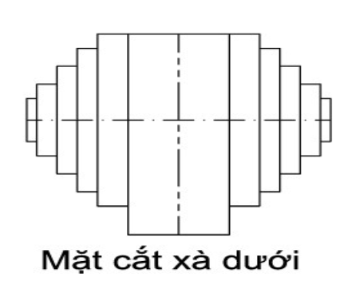

 |  |  |  |  |  |  |  |  |  |  |  |  |  | Cad: N.H.Hoang |  |  |  |  |  |  |  |  |  | Product: MBA 3750KVA 24.9±2x2.5%/4.16KV
0.00 |  |  |  |  |  |  |  |  |  |  |  |  |  | Check: V.T.Binh |  |  |  |  |  |  |  |  |  | Tên bản vẽ/Description: |  |  |  |  |  |  |  | Draw no:
- Độ bavia ≤ 0,02 mm |  |  |  |  |  |  |  |  |  |  |  |  |  | Approve: M.N.Trinh |  |  |  |  |  |  |  |  |  | Core cutting |  |  |  |  |  |  |  | Quantity:
- Try to cut 1 or 2 laminations, then inspect to ensure they meet requirements before proceeding with batch cutting |  |  |  |  |  |  |  |  |  |  |  |  |  |  |  |  |  |  |  |  |  |  |  |  |  |  |  |  |  |  |  | Weight:
 |  |  |  |  |  |  |  |  |  |  |  |  |  |  |  |  |  |  |  |  |  |  |  | Note: |  |  |  |  |  |  |  | Scale:

TON
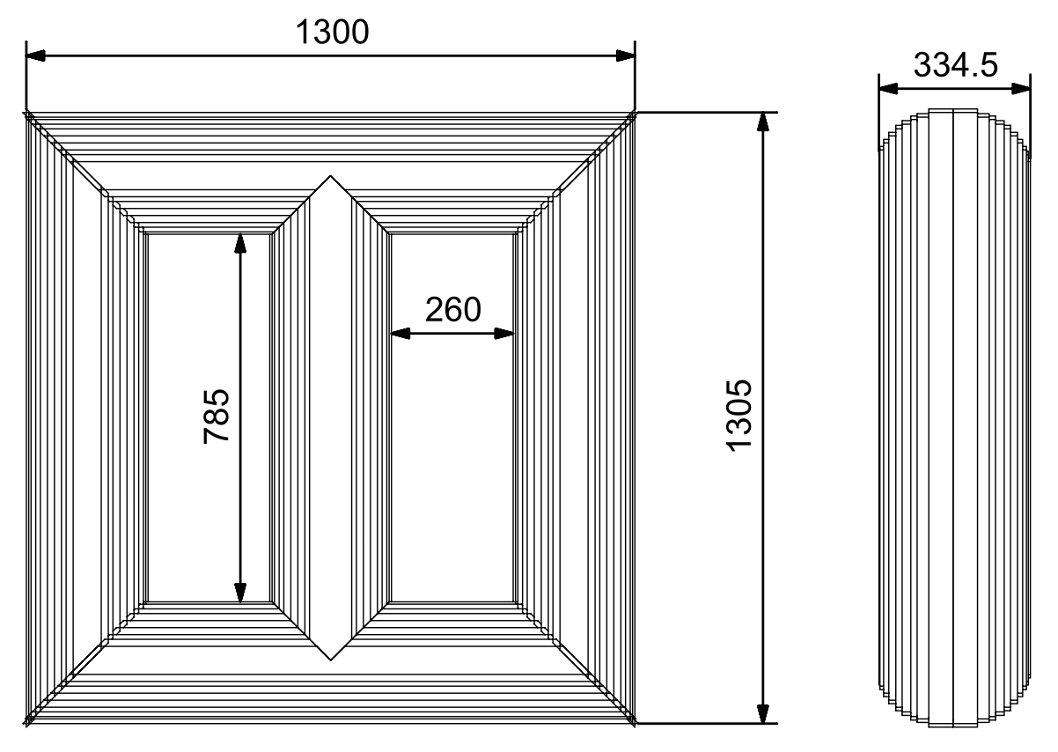

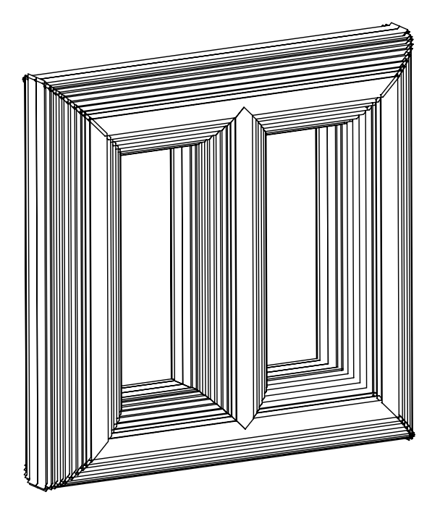

Cad: | N.H.Hoang | Product: 3750kVA PAD_MOUNTED TRANSFORMER 24.9/4.16
Check: | V.T.Binh | Tên bản vẽ/Description: | Số bản vẽ/Draw no:
Approve: | M.N.Trinh | CORE | Tỷ lệ/Scale:
 |  |  | Số lượng (Quantity):
 |  |  | Note:

RUỘT
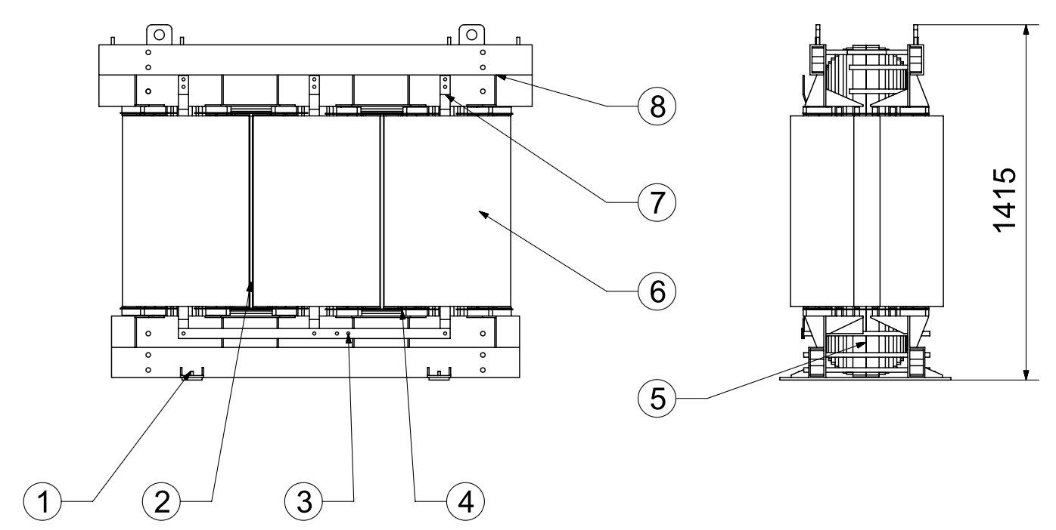
 |  | 1. Clamp foot
 |  | 2. Phase barrier
 |  | 3. Neutral busbar
 |  | 4. Yoke insulation
 |  | 5. Core
 |  | 6. Winding
 |  | 7. Phase busbar
 |  | 8. Core clamp assembly

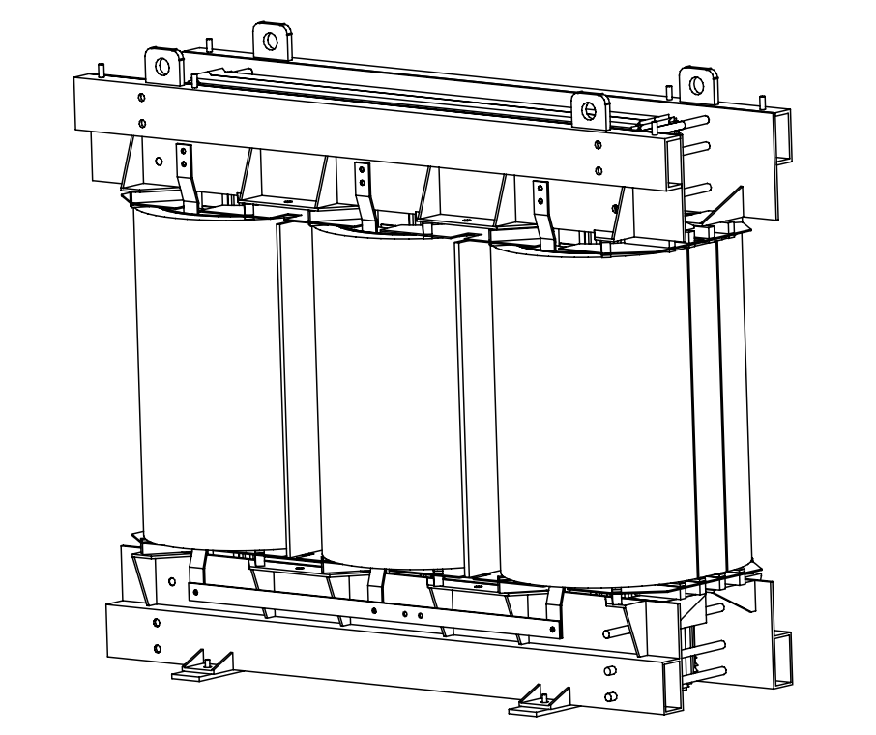

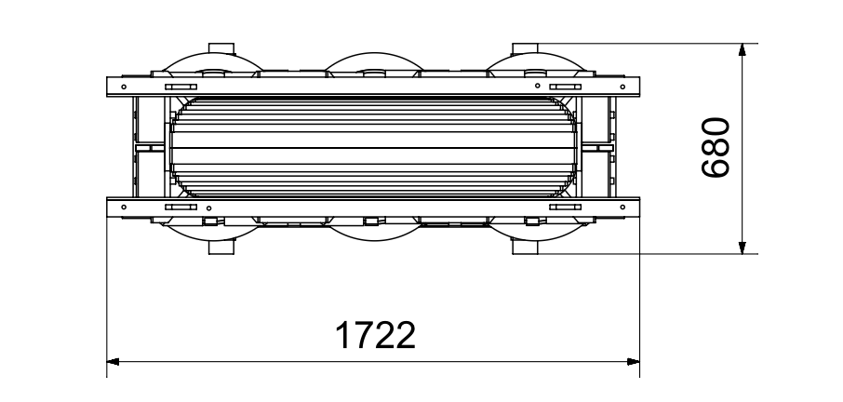

Cad: | N.H.Hoang | Product: 3750kVA PAD_MOUNTED TRANSFORMER 24.9/4.16
Check: | V.T.Binh | Tên bản vẽ/Description: | Số bản vẽ/Draw no:
Approve: | M.N.Trinh | ACTIVE PART | Tỷ lệ/Scale:
 |  |  | Số lượng (Quantity):
 |  |  | Note:

pc_trụ giữa2
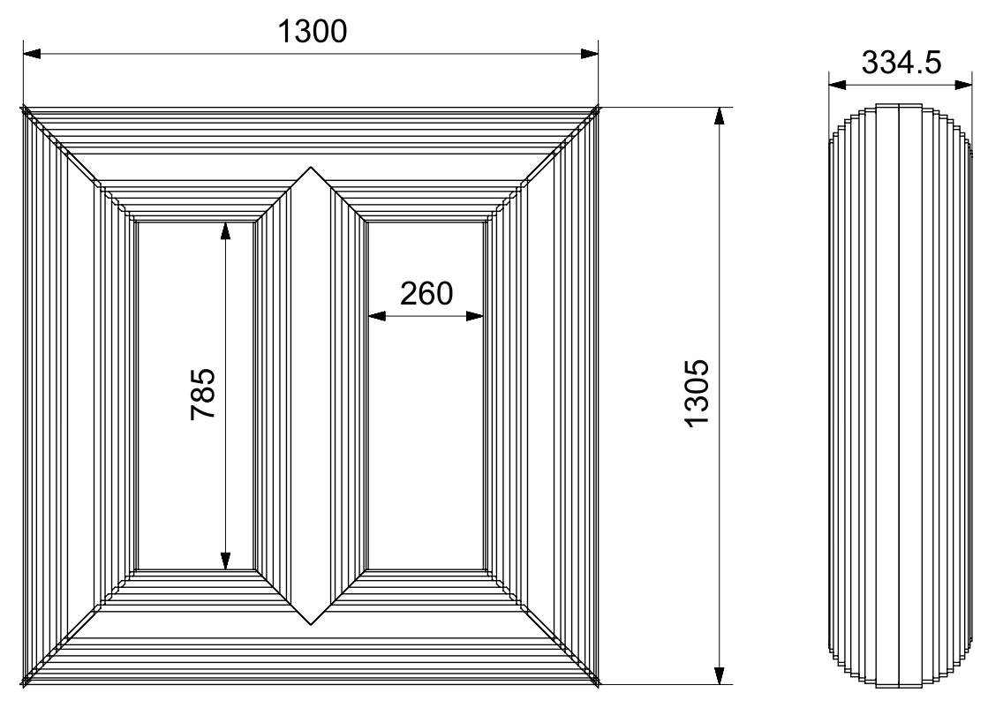

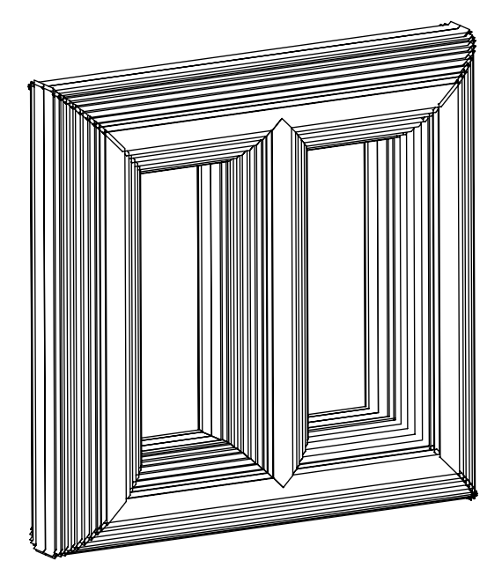

Cad: | N.H.Hoang | Product: 3750kVA PAD_MOUNTED TRANSFORMER 24.9/4.16
Check: | V.T.Binh | Tên bản vẽ/Description: | Số bản vẽ/Draw no:
Approve: | M.N.Trinh | CORE | Tỷ lệ/Scale:
 |  |  | Số lượng (Quantity):
 |  |  | Note:

pc_Móc cẩu1
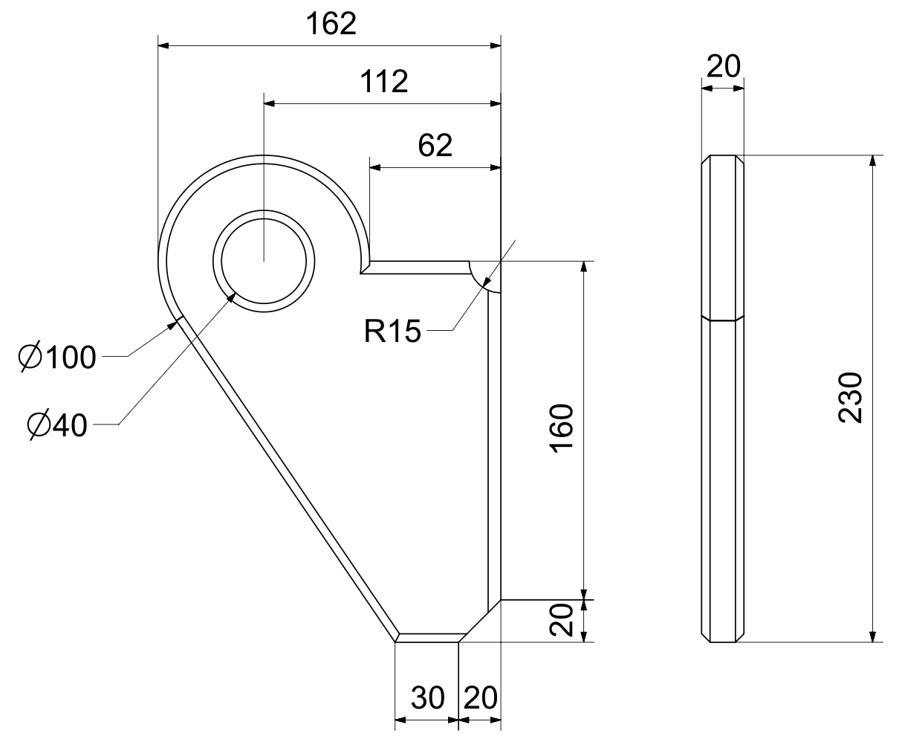

Cad: | N.H.Hoang | Product: 3750kVA PAD_MOUNTED TRANSFORMER 24.9/4.16
Check: | V.T.Binh | Tên bản vẽ/Description: | Số bản vẽ/Draw no:
Approve: | M.N.Trinh | LIFTING LUG | Tỷ lệ/Scale:
 |  |  | Số lượng (Quantity):
 |  |  | Note:

pc_bản vẽ dây quấn 22KV
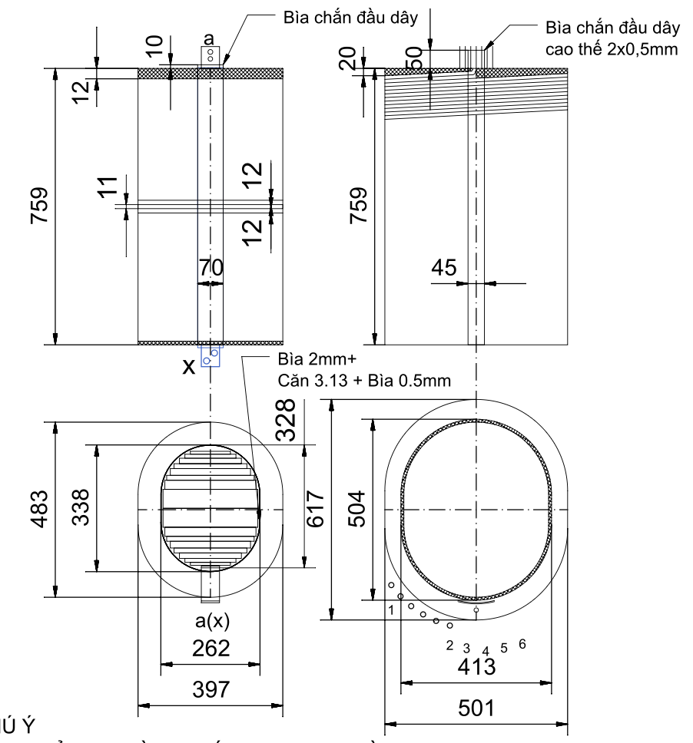

 |  |  | HV-LV distance: 9 = (2x0.13) DDP + 5.13mm spacer + 2(2x0.13) DDP + 1.5mm board + 2(2x0.13) DDP + flared collar + 0.5mm board + 2(2x0.13) DDP
 |  |  | HV-LV distance at outer LV copper busbar: 6 mm = 2 mm phase shielding board at wire end + 3 mm overlapping HV-LV board + (8x0.13) DDP

 |  |  |  | 21 | Output wire lead size | 150
 |  |  |  | 20 | Winding direction | Right | Left
 |  |  |  | 19 | Spacers at both ends | 20 | 12
 |  |  |  | 18 | Spacer in the middle coil | - | 12+11+12
 |  |  |  | 17 | Coil height | 759 | 759
 |  |  |  | 16 | Outer circumference of coil | 1806 | 1420
 |  |  |  | 15 | Inner circumference of coil | 1479 | 973
 |  |  |  | 14 | Mold circumference | 965
 |  |  |  | 13 | Cooling duct size | 5.13 x 759 | 5.13 x 759
 |  |  |  | 12 | Layers with cooling ducts | 6-7(HV-LV) 12-13(HV-LV) | 13-14(HV-LV) 22-23(HV-LV)
 |  |  |  | 11 | Number of cooling ducts | 2 | 2
 |  |  |  | 10 | Layer insulation | Xem chú thích | 2x0,13 | DDP
 |  |  |  | 9 | Regulating turns | 20 | -
 |  |  |  | 8 | Turns/layer | 49 | 1
 |  |  |  | 7 | Total number of turns | 829 | 38+38
 |  |  |  | 6 | Total number of layers | 18 | 38
 |  |  |  | 5 | DC Resistance at 20 °C | 1.242085Ω | 0.00141Ω
NOTES: |  |  |  | 4 | Winding type | Cylindrical | Cylindrical
- Do not place LV cooling duct on the side with the copper busbar |  |  |  | 3 | Weight | 306.3 | 346.6
- Splint 15mm between ends 1 and 2 |  |  |  | 2 | Number of strands (stacked x arranged) | 1x2 | 1x2
- Make crepe paper flared collar 2x0.8 for HV (entire HV splint section) |  |  |  | 1 | Wire size | Al2 2x7 Enameled (2.12x7.12) | Al (1.3x350)x1x2
- After finishing HV, wrap 2 layers of DDP tightly around the coil |  |  |  | No. | Item | HV | LV
- HV shielding board place 3 sheets of 0.5mm. The rest are inserted after winding | Cad: | N.H.Hoang |  |  | Product: MBA 3750kVA 24.9/4.16 kV
- HV: apply glue to the first layer, the layer behind the cooling duct, and the regulating section | Check: | V.T.Binh |  |  | Tên bản vẽ/Description: |  | Số bản vẽ/Draw no:
- Outputs of HV-LV spacer tubes must be arranged evenly. | Approve: | M.N.Trinh |  |  | WINDING |  | Tỷ lệ/Scale:
- Layer insulation: Strip insulation (start 2 end 2) + Stepped insulation 759x(2x0.075)DDP + 506x0.18DDP + 253x0.05DDP |  |  |  |  |  |  | Số lượng (Quantity):
- Reinforce layer insulation: 759x0.18DDP + 570x0.18DDP + 380x0.18DDP + 190x0.18DDP at layer 1-2, last layer, and regulating section |  |  |  |  | Note: |  | Weight:

NH
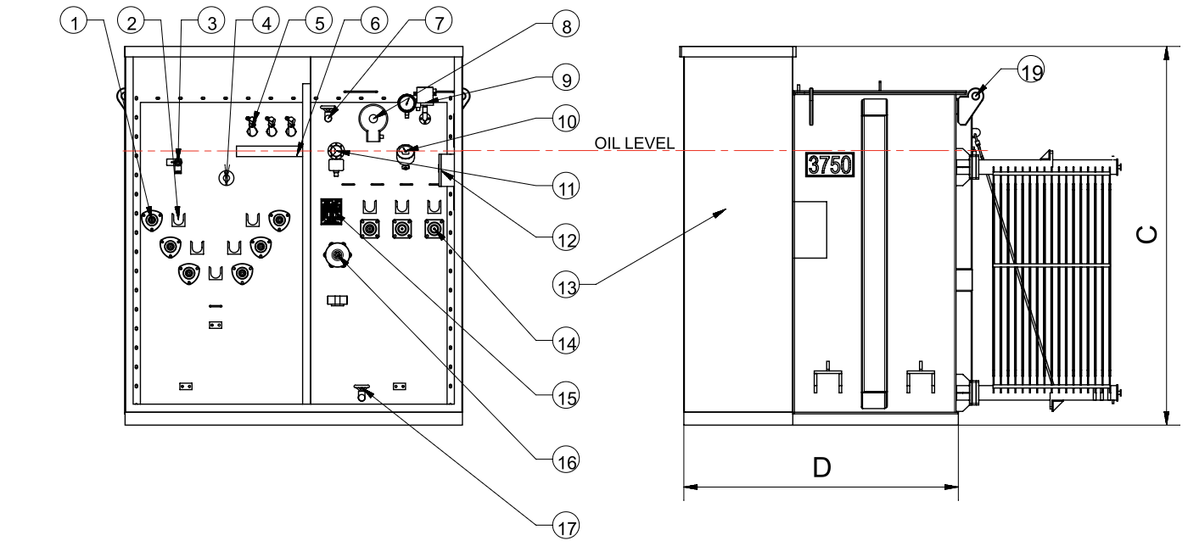
 |  |  |  |  |  | 1. HV busing
 |  |  |  |  |  | 2. HV parking stand
 |  |  |  |  |  | 3. Load break switch
 |  |  |  |  |  | 4. Tap changer
 |  |  |  |  |  | 5. Bay-O-net fuse
 |  |  |  |  |  | 6. Oil drip shield
 |  |  |  |  |  | 7. Oil upper filling valve
 |  |  |  |  |  | 8. Pressure relief device with contact
 |  |  |  |  |  | 9. Vacuum pressure gauge with contact
 |  |  |  |  |  | 10. Oil temperature indicator with contact
 |  |  |  |  |  | 11. Oil level indicator with contact
 |  |  |  |  |  | 12. Terminal box
 |  |  |  |  |  | 13. LV-HV compartment
 |  |  |  |  |  | 14, LV bushing intergrated
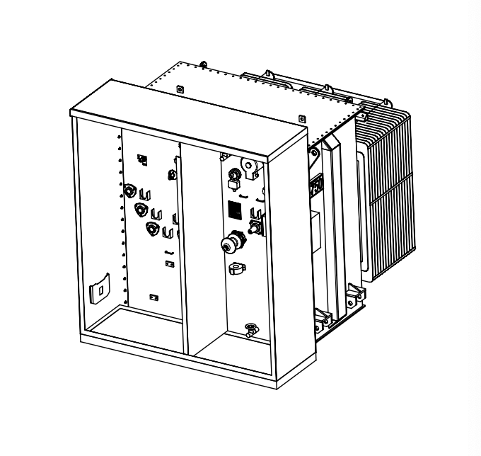
 |  |  |  |  |  | 15. Name plate
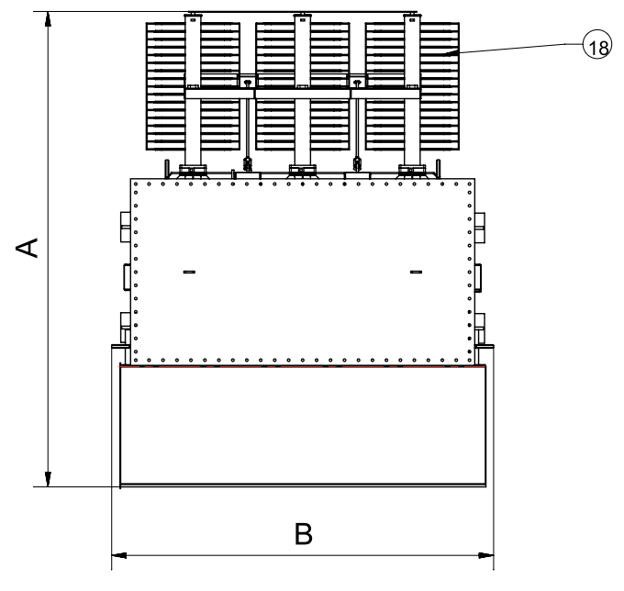
 |  |  |  |  |  | 16. Neutral bushing
 |  |  |  |  |  | 17. Lower filtering valve with sampler
 |  |  |  |  |  | 18. Radiator
 |  |  |  |  |  | 19. Lifting lugs

 |  |  |  |  |  | DIMENSIONS (mm) |  |  |  | WEIGHTS (kg)
 |  |  |  |  |  | A | B | C | D | OIL | CORE&FOIL | TOTAL
 |  |  |  |  |  | 2730 | 2200 | 2350 | 1700 | 3000 | 3740 | 8200
 |  |  |  |  |  | ± 2% |  |  |  | ± 2%
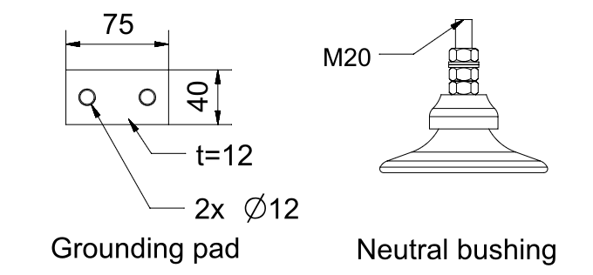

TECHNICAL DATE
WINDING MATERIAL | AL | NOMINAL POWER [KVA] | 3750
FREQUENCY (Hz) | 60 | PRIMARY VOLTAGE [KV] | 24.9±2.5% DELTA | Cad: | N.H.Hoang |  |  | Product: 3750kVA PAD_MOUNTED TRANSFORMER 24.9/4.16
NO LOAD LOSSES (W) |  | SECONDARY VOLTAGE [KV] | 4.16 GRDY/2.4 | Check: | V.T.Binh |  |  | Tên bản vẽ/Description: |  |  | Số bản vẽ/Draw no:
LOAD LOSSES 85°C (W) |  | VECTOR GROUP | Dyn1 | Approve: | M.N.Trinh |  |  | OUTLINE |  |  | Tỷ lệ/Scale:
SHORT CIRCUI IPM [%] | 5.3 | FINAL COLOUR | Ral 7045 |  |  |  |  |  |  |  | Số lượng (Quantity):
ALTITUDE [m] | ≥ 1000 | LIQUID | Mineral oil |  |  |  |  |  |  |  | Note:

